Sheet1
Project ID | Parent Project ID | Customer | Project name | Region | Connection location (substation or circuit) | Type | Transpower stage | Max MW | Status Flag | Stage % complete | Status | Estimated connection livening date | Key
00038310 | 0 | Vector Limited | Albany 2x New 33kV Feeders | Auckland | Albany | Feeder | Delivery | 30 | ● | 100% | Livened | 14/02/2026 | Type | Description
00038123 | 0 | Powerco Limited | Waverley ODID | Taranaki | Waverley | Switchboard | Delivery | 0 | ● | 100% | Transpower work complete | 31/03/2026 | New feeder | New feeder(s) at an existing substation to supply new load or to increase supply resilience
00038124 | 0 | Powerco Limited | Te Matai T1 Transformer Replacement | Bay of Plenty | Te Matai | Transformer | Delivery | 20 | ● | 100% | Livened | 31/03/2026 | New transformer | New or upgraded transformer(s) at an existing to supply new load or to increase supply resilience
00038125 | 0 | Powerco Limited | Greytown ODID | Wellington | Greytown | Switchboard | Delivery | 50 | ● | 100% | Transpower work complete | 1/01/2026 | New GXP | New Grid exit Point (GXP) substation or new load supply point at an existing non GXP substation
00038155 | 0 | Unison Networks Limited | Whakatu GXP 2x 33kV Feeders GXP | Hawkes Bay | Whakatu | Feeder | Delivery | 20 | ● | 100% | Livened | 24/05/2025 | Transmission | New or upgraded transmission assets (overhead transmission lines or underground cables) to increase transmission capacity or resilience
00038112 | 0 | New Zealand Steel Limited | Glenbrook Arc Furnace | Auckland | Glenbrook | Process Heat - Other | Delivery | 80 | ● | 91% | Livened | 11/10/2025 | Protection and automation | New or replacement protection or automation systems
00038094 | 0 | Horizon Energy Distribution Limited | Waiotahe 11-33kV Transition | Bay of Plenty | Waiotahe | Switchboard | Delivery | 20 | ● | 80% | Construction | 1/11/2025 | Relocation | Relocation of existing transmission assets
00038126 | 0 | Powerco Limited | MTN ODID | Central North Island | Marton | Switchboard | Delivery | 0 | ● | 80% | Construction | 1/11/2026 | Lifecycle | Replacement of transmission assets with modern equivalent either at end of life or for policy reasons
00038072 | 0 | Aurora Energy Limited | CML-FKN Line TTU (Aurora) | Otago-Southland | CML-FKN-A | Conductor | Delivery | 20 | ● | 75% | Construction | 1/05/2026 | Other | Asset divestments, reconfigurations or other work not included in the above categories
00038136 | 0 | PowerNet Limited | CML-FKN Line TTU | Otago-Southland | CML-FKN-A | Conductor | Delivery | 20 | ● | 75% | Construction | 1/05/2026
00038084 | 0 | Centralines Limited | Waipawa 33kV ODID Conversion | Central North Island | Waipawa | Switchboard | Delivery | 0 | ● | 60% | Construction | 31/03/2026 | Max MW | Maximum additional supply capacity enabled by the project (actual demand may step change or grow slowly over many years to utilise this new capacity)
00038105 | 0 | MainPower New Zealand Limited | Kaiapoi IDID Upgrade | Canterbury | Kaiapoi | Switchboard | Delivery | 0 | ● | 60% | Construction | 1/11/2025 |  | Where two or more projects suport the same supply capacity increase some projects Max MW may be set to zero to avoid double counting
00038089 | 0 | Fonterra Co-operative Group Limited | Whareroa Electrification (Ohangai Sub) | Taranaki | BRK-SFD | Process Heat - Dairy | Delivery | 120 | ● | 50% | Construction | 1/06/2026
00038163 | 0 | Vector Limited | Wairau Road T9 Transformer | Auckland | Wairau Road | Transformer | Delivery | 150 | ● | 44% | Detailed Design | 1/12/2026 | Stage % Complete | Approximate progress of the project through the relevant stage based on completed project milestones in the project schedule
00038087 | 0 | Drury South Limited | Drury Line Relocation | Auckland | HLY-OTA | Non-Connected | Delivery | 0 | ● | 22% | Detailed Design | 1/02/2027
00038142 | 0 | PowerNet Limited | Puna Awa 220kV GXP | Otago-Southland | NMA-TMH / Edendale | Substation | Delivery | 120 | ● | 20% | Detailed Design | 1/08/2027 | Status flag key
00038110 | 0 | Network Tasman Limited | Brightwater GXP | Nelson-Marlborough | KIK-STK A | Substation | Delivery | 60 | ● | 13% | Detailed Design | 31/05/2028 | ● Progressing normally
00038340 | 0 | Horizon Energy Distribution Limited | Edgecumbe Capacity Increase SPS | Bay of Plenty | Edgecumbe | Special Protection Scheme | Delivery | 30 | ● | 5% | Detailed Design | 30/06/2026 | ●C Awaiting customer action
00038173 | 0 | Vector Limited | Henderson 1x 33kV Feeder (Microsoft 1/2) | Auckland | Henderson | Feeder | Delivery | 20 | ● | 4% | Detailed Design | 1/11/2027 | ●T Awaiting Transpower action
00038106 | 0 | MainPower New Zealand Limited | ASY 66kV Coldstream Feeder | Canterbury | Ashley | Feeder | Delivery | 40 | ● | 0% | Detailed Design | 31/05/2027 | ● On hold
00038164 | 0 | Vector Limited | Takanini 1x 33kV Feeder | Auckland | Takanini | Feeder | Delivery | 20 | ● | 0% | Detailed Design | 9/04/2026
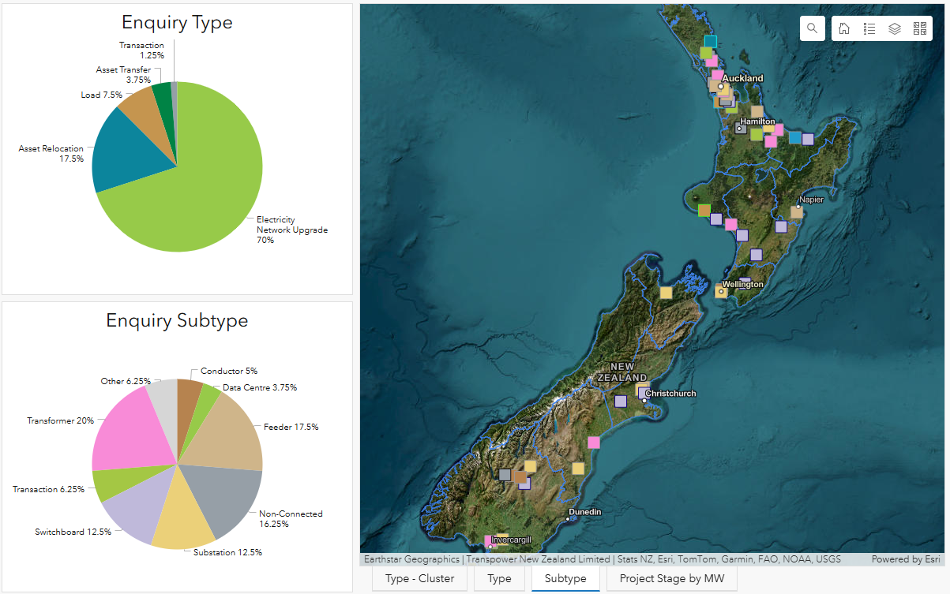
00038165 | 0 | Vector Limited | Takanini 2x 33kV Feeders (Spark) | Auckland | Takanini | Feeder | Delivery | 30 | ● | 0% | Detailed Design | 1/03/2026
00038181 | 0 | Waka Kotahi New Zealand Transport Agency | C2P Project Stage 1 (Online) | Auckland | ARI-HAM | Non-Connected | Delivery | 0 | ● | 0% | Detailed Design | 19/05/2026
00038189 | 0 | Wellington Electricity Lines Limited | KHD-TKR Uprating | Wellington | KHD-TKR | Conductor | Delivery | 0 | ● | 0% | Detailed Design | 20/11/2025

Project ID | Parent Project ID |  |  | Region | Connection location (substation or circuit) | Type | Transpower stage | Max MW | Status Flag | Stage % complete | Status | Estimated TP scope completion date
00038096 | 0 |  |  | Auckland | Huapai | Non-Connected | Investigation | 30 | ● | 100% | Investment Contract Negotiation | TBA
00038174 | 0 |  |  | Northland | Wellsford | Transformer | Investigation | 60 | ● | 100% | Transpower work complete | TBA
00038166 | 0 |  |  | Auckland | Silverdale | Feeder | Investigation | 30 | ● | 98% | Investment Contract Negotiation | TBA
00038065 | 0 |  |  | South-Canterbury | Timaru | Transformer | Investigation | 40 | ●C | 95% | Investment Contract Negotiation | TBA
00038113 | 0 |  |  | Northland | Maungaturoto | Transaction | Investigation | 0 | ● | 95% | Investment Contract Negotiation | TBA
00038077 | 0 |  |  | Otago-Southland | Cromwell | Special Protection Scheme | Investigation | 30 | ● | 92% | Investment Contract Negotiation | TBA
00038182 | 0 |  |  | Auckland | HLY-OTA-A | Non-Connected | Investigation | 0 | ● | 92% | Early Stage Design | TBA
00038167 | 0 |  |  | Auckland | Wiri | Transformer | Investigation | 120 | ● | 90% | Investment Contract Negotiation | TBA
00038097 | 0 |  |  | Auckland | Bombay | Switchboard | Investigation | 50 | ● | 85% | Early Stage Design | TBA
00038127 | 0 |  |  | Taranaki | Brunswick | Transformer | Investigation | 30 | ● | 85% | Investment Contract Negotiation | TBA
00038149 | 0 |  |  | Waikato | HAM_WHU | Non-Connected | Investigation | 0 | ● | 77% | Early Stage Design | TBA
00038150 | 0 |  |  | Waikato | ARI-HAM | Non-Connected | Investigation | 0 | ● | 53% | Early Stage Design | TBA
00038309 | 0 |  |  | South-Canterbury | ROX-ISL-A / Black Point | Substation | Investigation | 80 | ● | 50% | Early Stage Design | TBA
00038130 | 0 |  |  | Waikato | Hinuera | Transaction | Investigation | 0 | ● | 50% | Early Stage Design | TBA
00038168 | 0 |  |  | Auckland | Southdown | Substation | Investigation | 80 | ●C | 50% | Early Stage Design | TBA
00038188 | 0 |  |  | Wellington | Central Park | Substation | Investigation | 150 | ● | 50% | Early Stage Design | TBA
00038175 | 0 |  |  | Auckland | Henderson | Feeder | Investigation | 30 | ● | 39% | Early Stage Design | TBA
00038176 | 0 |  |  | Auckland | Henderson | Feeder | Investigation | 30 | ● | 39% | Early Stage Design | TBA
00038177 | 0 |  |  | Auckland | Henderson | Transformer | Investigation | 120 | ● | 39% | Early Stage Design | TBA
00038344 | 00038177 |  |  | Auckland | Henderson | Feeder | Investigation | 0 | ● | 39% | Early Stage Design | TBA
00038347 | 00038173 |  |  | Auckland | Henderson | Feeder | Investigation | 30 | ● | 39% | Early Stage Design | TBA
00038186 | 0 |  |  | Waikato | Bombay | Transaction | Investigation | 0 | ● | 35% | Investment Contract Negotiation | TBA
00038336 | 0 |  |  | Waikato | Meremere | Transaction | Investigation | 0 | ● | 35% | Investment Contract Negotiation | TBA
00038086 | 0 |  |  | Otago-Southland | INV-MAN-A | Data Centre | Investigation | 300 | ●C | 32% | Early Stage Design | TBA
00038129 | 0 |  |  | Waikato | Waikino | Feeder | Investigation | 40 | ● | 32% | Early Stage Design | TBA
00038156 | 0 |  |  | Bay of Plenty | Tarukenga | Transformer | Investigation | 20 | ● | 30% | Early Stage Design | TBA
00038178 | 0 |  |  | Auckland | Silverdale | Transformer | Investigation | 120 | ● | 22% | Early Stage Design | TBA
00038090 | 0 |  |  | Northland | Bream Bay | Hydrogen - eSAF | Investigation | 330 | ● | 15% | Early Stage Design | TBA
00038073 | 0 |  |  | Otago-Southland | Cromwell | Substation | Investigation | 120 | ● | 14% | Early Stage Design | TBA
00038128 | 0 |  |  | Bay of Plenty | KMO-TRK | Substation | Investigation | 120 | ● | 14% | Early Stage Design | TBA
00038137 | 0 |  |  | Otago-Southland | Cromwell | Conductor | Investigation | 120 | ● | 14% | Early Stage Design | TBA
00038183 | 0 |  |  | Auckland | HOB-WRD | Non-Connected | Investigation | 0 | ●C | 14% | Early Stage Design | TBA
00038098 | 0 |  |  | Auckland | Silverdale | Feeder | Investigation | 36 | ● | 13% | Early Stage Design | TBA
00038131 | 0 |  |  | Central North Island | Mangamarie | Switchboard | Investigation | 0 | ●C | 12% | Early Stage Design | TBA
00038169 | 0 |  |  | Auckland | ALB-WRD | Substation | Investigation | 120 | ● | 12% | Early Stage Design | TBA
00038171 | 0 |  |  | Auckland | Penrose | Feeder | Investigation | 30 | ● | 11% | Early Stage Design | TBA
00038078 | 0 |  |  | Otago-Southland | Clyde-Twizel-1 or 2 | Substation | Investigation | 120 | ● | 10% | Early Stage Design | TBA
00038132 | 0 |  |  | Bay of Plenty | Te Matai | Transformer | Investigation | 50 | ● | 10% | Early Stage Design | TBA
00038091 | 0 |  |  | Auckland | Penrose | Data Centre | Investigation | 150 | ● | 8% | Early Stage Design | TBA
00038116 | 0 |  |  | Canterbury | Hororata | Switchboard | Investigation | 0 | ● | 8% | Early Stage Design | TBA
00038143 | 0 |  |  | Otago-Southland | North Makarewa | Transformer | Investigation | 60 | ● | 8% | Early Stage Design | TBA
00038170 | 0 |  |  | Auckland | Takanini | Transformer | Investigation | 150 | ● | 8% | Early Stage Design | TBA
00038326 | 0 |  |  | Northland | HEN_MDN | Non-Connected | Investigation | 0 | ●T | 8% | Early Stage Design | TBA
00038335 | 0 |  |  | Auckland | HEN_MDN / HEN_MPE | Non-Connected | Investigation | 0 | ● | 8% | Early Stage Design | TBA
00038338 | 0 |  |  | Auckland | HEN_OTA | Non-Connected | Investigation | 0 | ● | 8% | Early Stage Design | TBA
00038355 | 00038070 |  |  | Auckland | BHL_PAK | Non-Connected | Investigation | 0 | ● | 8% | Early Stage Design | TBA
00038079 | 0 |  |  | Otago-Southland | Cromwell | Transformer | Investigation | 60 | ● | 0% | Starting | TBA
00038395 | 00038079 |  |  | Otago-Southland | Cromwell | Transformer | Investigation | 60 | ● | 0% | Starting | TBA
00038107 | 0 |  |  | Canterbury | ISL-KIK | Substation | Investigation | 120 | ● | 0% | Starting | TBA

Project ID | Parent Project ID |  |  | Region | Connection location (substation or circuit) | Type | Transpower stage | Max MW |  |  | Status
00038172 | 0 |  |  | Auckland | Mangere | Transformer | Application | 120 |  |  | Requested
00038323 | 0 |  |  | Auckland | Wairau Road GXP | Transformer | Application | 120 |  |  | Requested
00038092 | 0 |  |  | Auckland | HEN-OTA | Data Centre | Application | 200 |  |  | Requested
00038093 | 0 |  |  | Auckland | GLN-DEV-A | Non-Connected | Application | 0 |  |  | Requested
00038435 | 0 |  |  | Otago-Southland | CML-FKN-A 110 kV | Non-Connected | Application | 0 |  |  | Requested
00038198 | 0 |  |  | Otago-Southland | CYD | Switchboard | Application | 0 |  |  | Requested

