PY25 NZX Invoices Historic
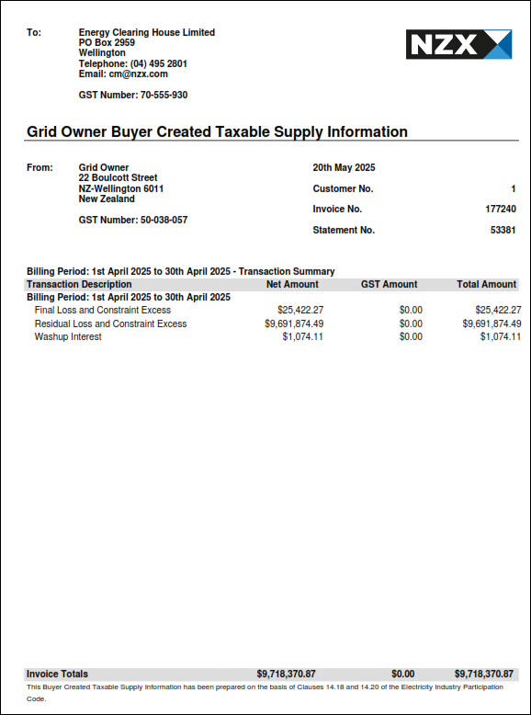
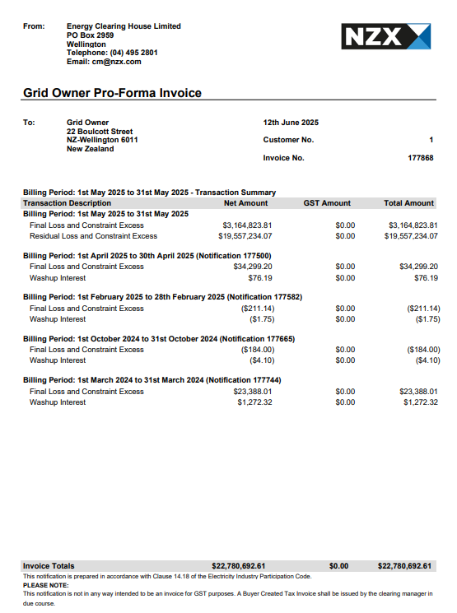
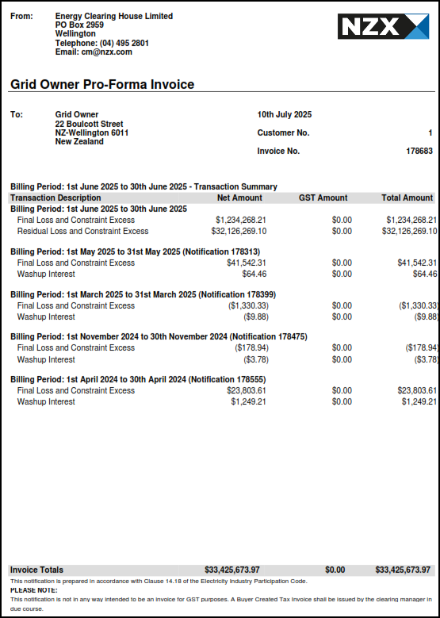

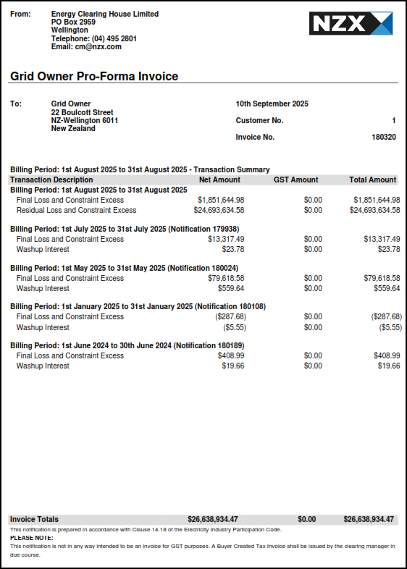
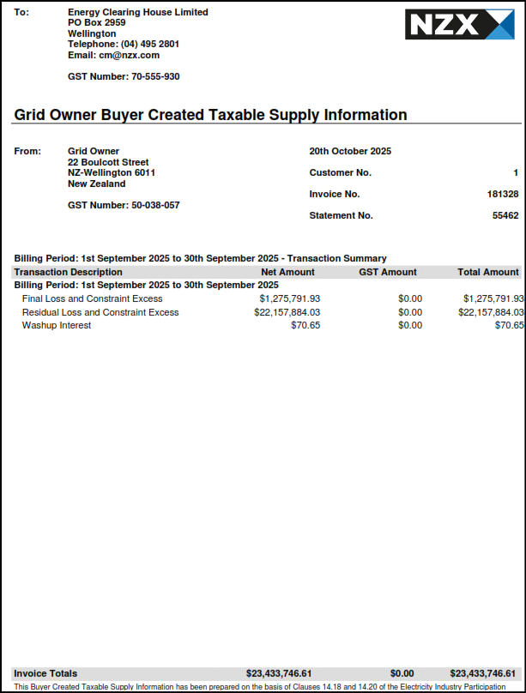
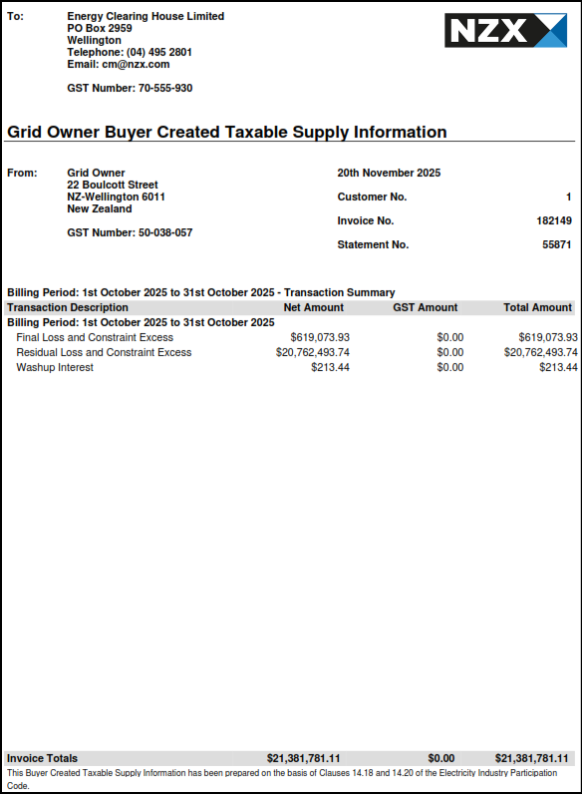

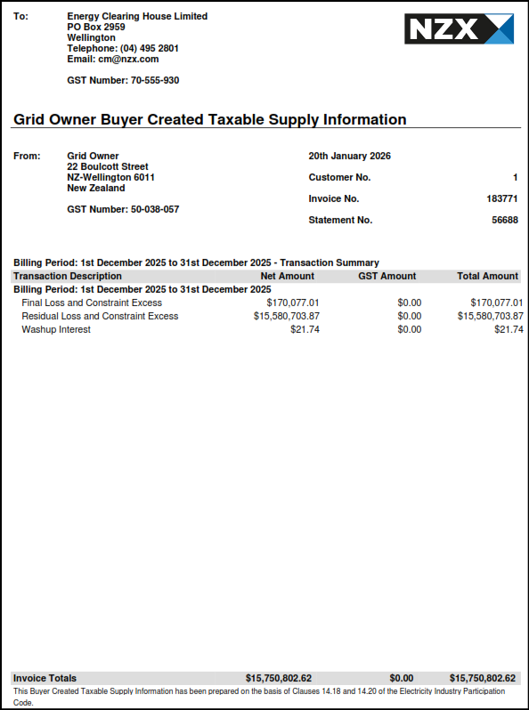

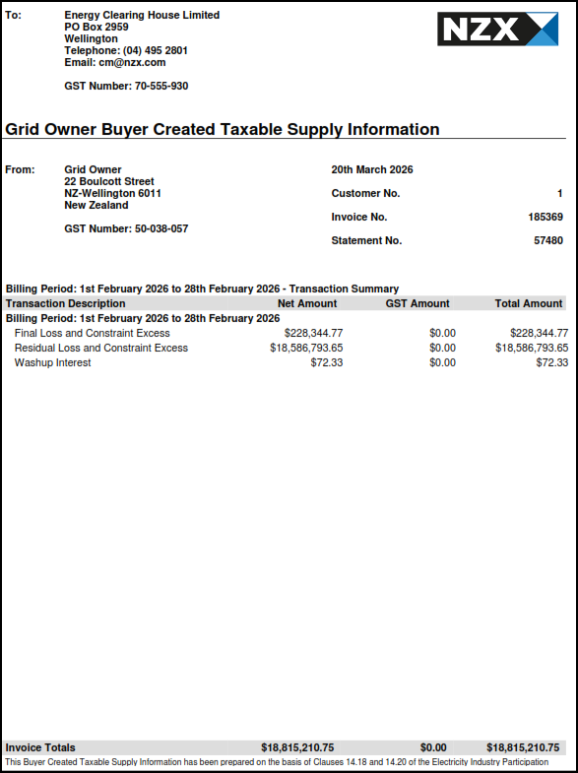
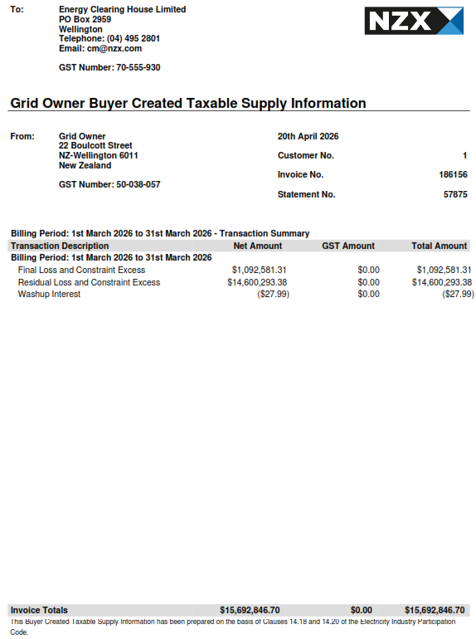
April 2025 - Processed in May 2025 | May 2025 - Processed in June 2025 | June 2025 - Processed in July 2025 | July 2025 - Processed in Aug 2025 | Aug 2025 - Processed in Sep 2025 | Sep 2025 - Processed in Oct 2025 | Oct 2025 - Processed in Nov 2025 | Nov 2025 - Processed in Dec 2025 | Dec 2025 - Processed in Jan 2026 | Jan 2026 - Processed in Feb 2026 | Feb 2026 - Processed in Mar 2026 | Mar 2026 - Processed in Apr 2026 | Historical

NZX Invoices
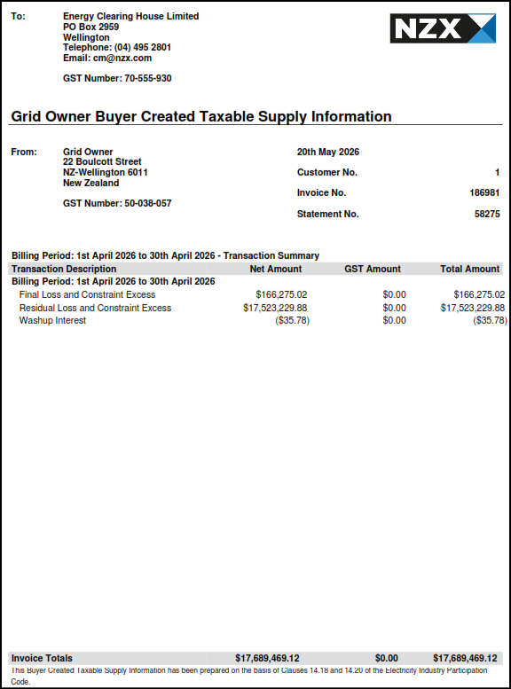


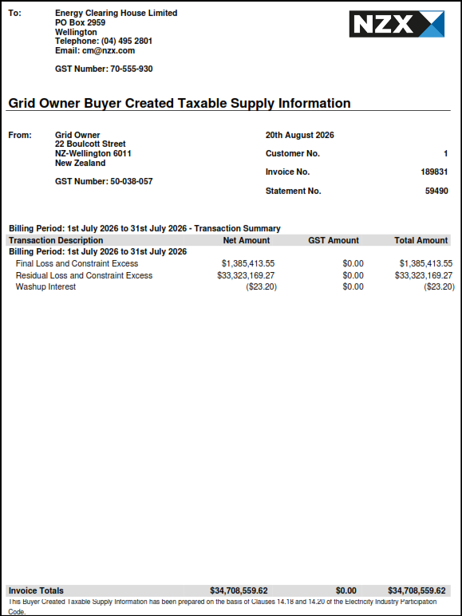
April 2026 - Processed in May 2026 | May 2026 - Processed in June 2026 | June 2026 - Processed in July 2026 | July 2026 - Processed in Aug 2026

